State Diagram
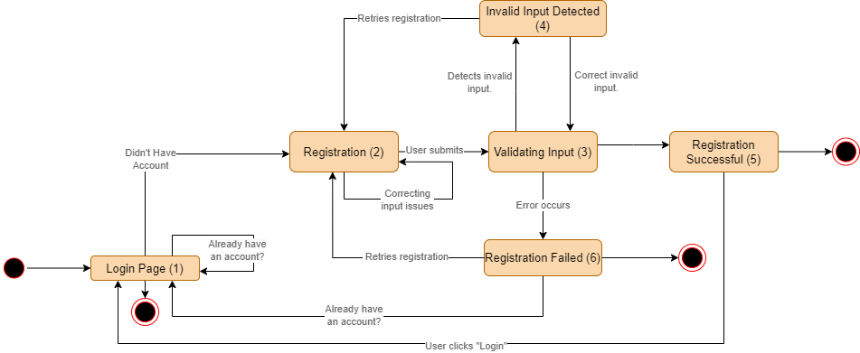
No. | ID | Feature Name
1 | F01 | Register

